Single Run
JADIL-CS SERIES (SINGLE RUN CONNECTION EXAMPLE)
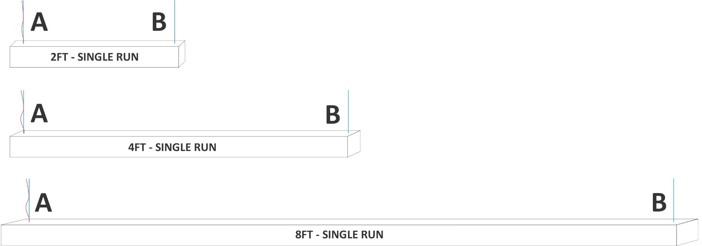

Modules 1 x 2FT | 2FT MODULE | (A) POWER & CABLE DROP | (B) CABLE DROPS
 | JADIL-CS-D-S2-15W | JADIL-CS-PMK-A-XPWC | JADIL-CS-PMK-B
 | JADIL-CS-DI-S2-20W
 | 1 | 1 | 1

Modules 1 x 2FT | 4FT MODULE | (A) POWER & CABLE DROP | (B) CABLE DROPS
 | JADIL-CS-D-S4-30W | JADIL-CS-PMK-A-XPWC | JADIL-CS-PMK-B
 | JADIL-CS-D-S4-40W
 | JADIL-CS-DI-S4-40W
 | 1 | 1 | 1

Modules 1 x 2FT | 8FT MODULE | (A) POWER & CABLE DROP | (B) CABLE DROPS
 | JADIL-CS-D-S8-60W | JADIL-CS-PMK-A-XPWC | JADIL-CS-PMK-B
 | JADIL-CS-DI-S8-80W
 | 1 | 1 | 1

* Cable Drops and Cable Drops with Power Include Canopy
^ The X stands for power cord length.

Continuous Run
JADIL-CS SERIES STRAIGHT CONNECTION (COMPONENT REQUIREMENT EXAMPLES)
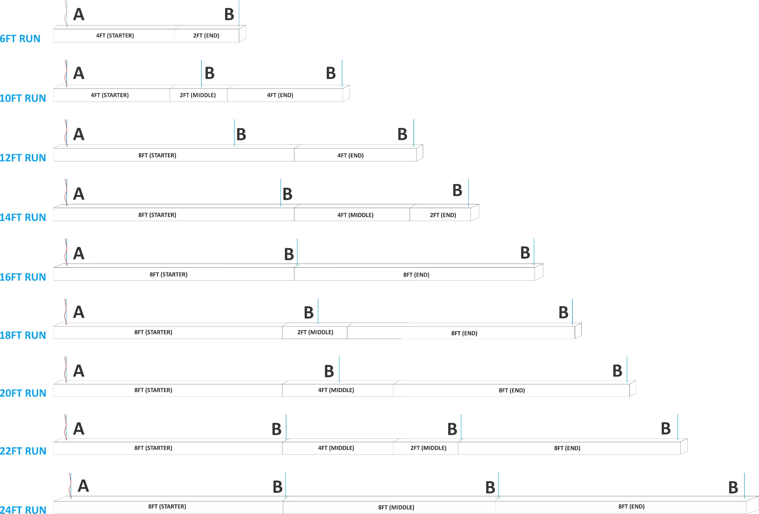
 |  |  |  |  |  |  |  |  | MAXIMUM LUMINAIRES PER POWER DROP
 |  |  |  |  |  |  |  |  | Size | Power | Voltage | Quantity
 |  |  |  |  |  |  |  |  | 2FT | 15W | 120V | 33
 |  |  |  |  |  |  |  |  |  |  | 277V | 76
 |  |  |  |  |  |  |  |  |  | 20W | 120V | 25
 |  |  |  |  |  |  |  |  |  |  | 277V | 57
 |  |  |  |  |  |  |  |  | 4FT | 30W | 120V | 16
 |  |  |  |  |  |  |  |  |  |  | 277V | 38
 |  |  |  |  |  |  |  |  |  | 40W | 120V | 8
 |  |  |  |  |  |  |  |  |  |  | 277V | 28
 |  |  |  |  |  |  |  |  | 8FT | 60W | 120V | 8
 |  |  |  |  |  |  |  |  |  |  | 277V | 19
 |  |  |  |  |  |  |  |  |  | 80W | 120V | 6
 |  |  |  |  |  |  |  |  |  |  | 277V | 14

NOTES:
ü No connectors are required for straight connection between two or more linear luminaries.
ü Aircraft dable drops are recommend for every joint with 8FT Module Runs
ü Cable Drops and Cable Drops with Power Include Canopy
ü Multiple Wattage Options Avaialable (Select one of the two model shows per module)

6FT RUN | Modules 1 x 4FT 1 x 2FT | QTY ORDERED | 4FT MODULE | 2FT MODULE |  |  | (A) POWER & CABLE DROP | (B) CABLE DROPS
 |  |  | JADIL-CS-D-C4-30W-EN | JADIL-CS-D-C2-15W-ST |  |  | JADIL-CS-PMK-A-XPWC | JADIL-CS-PMK-B
 |  |  | JADIL-CS-DI-C4-40W-EN | JADIL-CS-DI-C2-20W-ST
 |  | 1 | 1 | 1 |  |  | 1 | 1

10FT RUN | Modules 2 x 4FT 1 x 2FT | QTY ORDERED | 4FT MODULE | 2FT MODULE | 4FT MODULE |  | (A) POWER & CABLE DROP | (B) CABLE DROPS
 |  |  | JADIL-CS-D-C4-30W-ST | JADIL-CS-D-C2-15W-MD | JADIL-CS-D-C4-30W-EN |  | JADIL-CS-PMK-A-XPWC | JADIL-CS-PMK-B
 |  |  | JADIL-CS-DI-C4-40W-ST | JADIL-CS-DI-C2-20W-MD | JADIL-CS-DI-C4-40W-EN
 |  | 1 | 1 | 1 | 1 |  | 1 | 2

12FT RUN | Modules 1 x 8FT 1 X 4FT | QTY ORDERED | 8FT MODULE | 4FT MODULE |  |  | (A) POWER & CABLE DROP | (B) CABLE DROPS
 |  |  | JADIL-CS-D-C8-60W-ST | JADIL-CS-D-C4-30W-MD |  |  | JADIL-CS-PMK-A-XPWC | JADIL-CS-PMK-B
 |  |  | JADIL-CS-DI-C8-80W-ST | JADIL-CS-DI-C4-40W-MD
 |  | 1 | 1 | 1 |  |  | 1 | 2

14FT RUN | Modules 1 x 8FT 1 x 4FT 1 X 2FT | QTY ORDERED | 8FT MODULE | 4FT MODULE | 2FT MODULE |  | (A) POWER & CABLE DROP | (B) CABLE DROPS
 |  |  | JADIL-CS-D-C8-60W-ST | JADIL-CS-D-C4-30W-MD | JADIL-CS-D-C2-15W-EN |  | JADIL-CS-PMK-A-XPWC | JADIL-CS-PMK-B
 |  |  | JADIL-CS-DI-C8-80W-ST | JADIL-CS-DI-C4-40W-MD | JADIL-CS-DI-C2-20W-EN
 |  | 1 | 1 | 1 | 1 |  | 1 | 2

16FT RUN | Modules 2 x 8FT | QTY ORDERED | 8FT MODULE | 8FT MODULE |  |  | (A) POWER & CABLE DROP | (B) CABLE DROPS
 |  |  | JADIL-CS-D-C8-60W-ST | JADIL-CS-D-C8-60W-EN |  |  | JADIL-CS-PMK-A-XPWC | JADIL-CS-PMK-B
 |  |  | JADIL-CS-DI-C8-80W-ST | JADIL-CS-DI-C8-80W-EN
 |  | 1 | 1 | 1 |  |  | 1 | 2

18FT RUN | Modules 2 x 8FT 1 x 2FT | QTY ORDERED | 8FT MODULE | 2FT MODULE | 8FT MODULE |  | (A) POWER & CABLE DROP | (B) CABLE DROPS
 |  |  | JADIL-CS-D-C8-60W-ST | JADIL-CS-D-C2-15W-MD | JADIL-CS-D-C8-60W-EN |  | JADIL-CS-PMK-A-XPWC | JADIL-CS-PMK-B
 |  |  | JADIL-CS-DI-C8-80W-ST | JADIL-CS-DI-C2-20W-MD | JADIL-CS-DI-C8-80W-EN
 |  | 1 | 1 | 1 | 1 |  | 1 | 3

20FT RUN | Modules 2 x 8FT 1 x 4FT | QTY ORDERED | 8FT MODULE | 4FT MODULE | 8FT MODULE |  | (A) POWER & CABLE DROP | (B) CABLE DROPS
 |  |  | JADIL-CS-D-C8-60W-ST | JADIL-CS-D-C4-30W-MD | JADIL-CS-D-C8-60W-EN |  | JADIL-CS-PMK-A-XPWC | JADIL-CS-PMK-B
 |  |  | JADIL-CS-DI-C8-80W-ST | JADIL-CS-DI-C4-40W-MD | JADIL-CS-DI-C8-80W-EN
 |  | 1 | 1 | 1 | 1 |  | 1 | 3

22FT RUN | Modules 2 x 8FT 1 x 4FT 1 X 2FT | QTY ORDERED | 8FT MODULE | 4FT MODULE | 2FT MODULE | 8FT MODULE | (A) POWER & CABLE DROP | (B) CABLE DROPS
 |  |  | JADIL-CS-D-C8-60W-ST | JADIL-CS-D-C4-30W-MD | JADIL-CS-D-C2-15W-MD | JADIL-CS-D-C8-60W-EN | JADIL-CS-PMK-A-XPWC | JADIL-CS-PMK-B
 |  |  | JADIL-CS-DI-C8-80W-ST | JADIL-CS-DI-C4-40W-MD | JADIL-CS-DI-C2-20W-MD | JADIL-CS-DI-C8-80W-EN
 |  | 1 | 1 | 1 | 1 | 1 | 1 | 3

24FT RUN | Modules 3 x 8FT | QTY ORDERED | 8FT MODULE | 8FT MODULE | 8FT MODULE |  | (A) POWER & CABLE DROP | (B) CABLE DROPS
 |  |  | JADIL-CS-D-C8-60W-ST | JADIL-CS-D-C8-60W-MD | JADIL-CS-D-C8-60W-EN |  | JADIL-CS-PMK-A-XPWC | JADIL-CS-PMK-B
 |  |  | JADIL-CS-DI-C8-80W-ST | JADIL-CS-DI-C8-80W-MD | JADIL-CS-DI-C8-80W-EN
 |  | 1 | 1 | 1 | 1 |  | 1 | 3

Square Design
JADIL-CS SERIES SQUARE DESIGN (COMPONENT REQUIREMENT EXAMPLES)
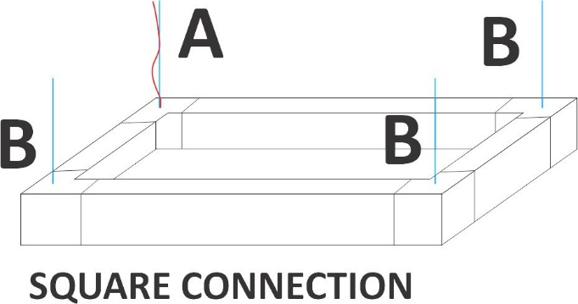

NOTES:
ü No connectors are required for straight connection between two or more linear luminaries.
ü Aircraft dable drops are recommend for every joint with 8FT Module Runs
ü Cable Drops and Cable Drops with Power Include Canopy
ü Multiple Wattage Options Avaialable (Select one of the two model shows per module)

Modules 4 x 2FT | QTY ORDERED | 2FT MODULE | CONNECTOR TYPE | (A) POWER & CABLE DROP | (B) CABLE DROPS
 |  | JADIL-CS-D-C2-15W-MD | JADIL-CS-LC | JADIL-CS-PMK-A-XPWC | JADIL-CS-PMK-B
 |  | JADIL-CS-DI-C2-20W-MD
 | 1 | 4 | 4 | 1 | 3

Modules 4 x 4FT | QTY ORDERED | 4FT MODULE | CONNECTOR TYPE | (A) POWER & CABLE DROP | (B) CABLE DROPS
 |  | JADIL-CS-D-C4-30W-MD | JADIL-CS-LC | JADIL-CS-PMK-A-XPWC | JADIL-CS-PMK-B
 |  | JADIL-CS-DI-C4-40W-MD
 | 1 | 4 | 4 | 1 | 3

Modules 4 x 8FT | QTY ORDERED | 8FT MODULE | CONNECTOR TYPE | (A) POWER & CABLE DROP | (B) CABLE DROPS
 |  | JADIL-CS-D-C8-60W-MD | JADIL-CS-LC | JADIL-CS-PMK-A-XPWC | JADIL-CS-PMK-B
 |  | JADIL-CS-DI-C8-80W-MD
 | 1 | 4 | 4 | 1 | 3

X Design
JADIL-CS SERIES X DESIGN (COMPONENT REQUIREMENT EXAMPLES)
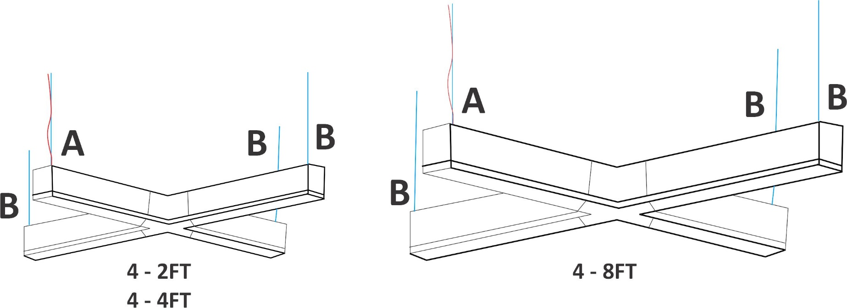
X DESIGN

NOTES:
ü No connectors are required for straight connection between two or more linear luminaries.
ü Aircraft dable drops are recommend for every joint with 8FT Module Runs
ü Cable Drops and Cable Drops with Power Include Canopy
ü Multiple Wattage Options Avaialable (Select one of the two model shows per module)

Modules Needed 4 x 2FT | QTY ORDERED | (A) POWER & CABLE DROP | (B) CABLE DROPS | 2FT MODULE | CONNECTOR TYPE
 |  | JADIL-CS-PMK-A-XPWC | JADIL-CS-PMK-B | JADIL-CS-D-C2-15W-ST | JADIL-CS-XC
 |  |  |  | JADIL-CS-DI-C2-20W-ST
 | 1 | 1 | 3 | 4 | 1

Modules Needed 4 x 4FT | QTY ORDERED | (A) POWER & CABLE DROP | (B) CABLE DROPS | 4FT MODULE | CONNECTOR TYPE
 |  | JADIL-CS-PMK-A-XPWC | JADIL-CS-PMK-B | JADIL-CS-D-C4-30W-ST | JADIL-CS-XC
 |  |  |  | JADIL-CS-DI-C4-40W-ST
 | 1 | 1 | 3 | 4 | 1

Modules Needed 4 x 8FT | QTY ORDERED | (A) POWER & CABLE DROP | (B) CABLE DROPS | 8FT MODULE | CONNECTOR TYPE
 |  | JADIL-CS-PMK-A-XPWC | JADIL-CS-PMK-B | JADIL-CS-D-C8-60W-ST | JADIL-CS-XC
 |  |  |  | JADIL-CS-DI-C8-80W-ST
 | 1 | 1 | 3 | 4 | 1

Complex Connection
JADIL-CS SERIES COMPLEX DESIGN (COMPONENT REQUIREMENT EXAMPLES)
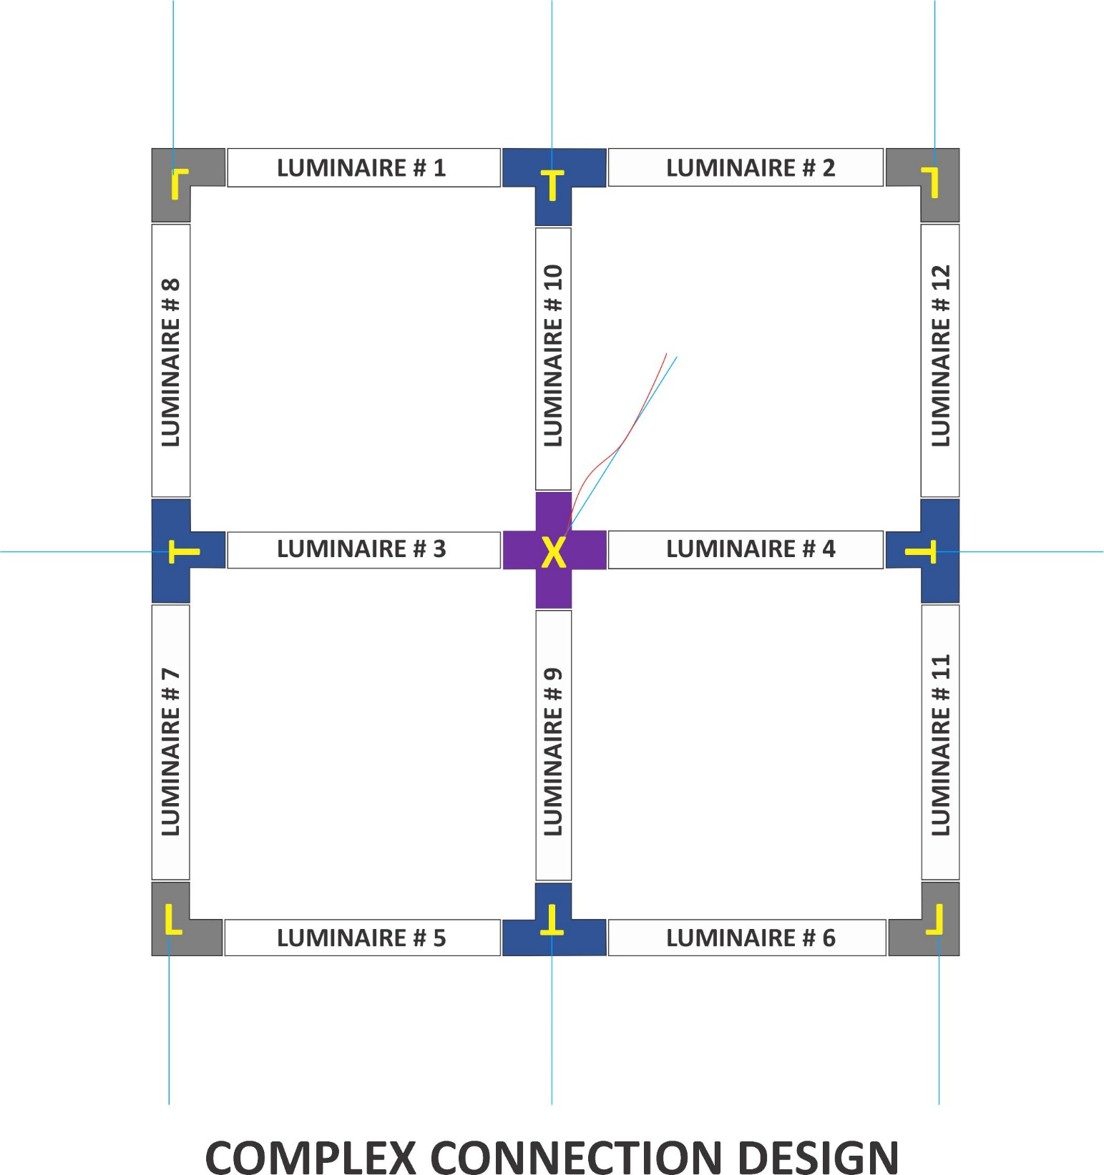
 |  |  |  |  |  | MAXIMUM LUMINAIRES PER POWER DROP

 |  |  |  |  |  | Size | Power | Voltage | Quantity
 |  |  |  |  |  | 2FT | 15W | 120V | 33
 |  |  |  |  |  |  |  | 277V | 76
 |  |  |  |  |  |  | 20W | 120V | 25
 |  |  |  |  |  |  |  | 277V | 57
 |  |  |  |  |  | 4FT | 30W | 120V | 16
 |  |  |  |  |  |  |  | 277V | 38
 |  |  |  |  |  |  | 40W | 120V | 8
 |  |  |  |  |  |  |  | 277V | 28
 |  |  |  |  |  | 8FT | 60W | 120V | 8
 |  |  |  |  |  |  |  | 277V | 19
 |  |  |  |  |  |  | 80W | 120V | 6
 |  |  |  |  |  |  |  | 277V | 14

NOTES:
ü No connectors are required for straight connection between two or more linear luminaries.
ü Aircraft dable drops are recommend for every joint with 8FT Module Runs
ü Cable Drops and Cable Drops with Power Include Canopy
ü Multiple Wattage Options Avaialable (Select one of the two model shows per module)

SQUARE COMPLEX CONNECTION | Modules 12 x 2FT | QTY ORDERED | 2FT MODULE |  | CONNECTOR TYPE | CONNECTOR TYPE | CONNECTOR TYPE | (A) POWER & CABLE DROP | (B) CABLE DROPS
 |  |  | JADIL-CS-D-C2-15W-MD |  | JADIL-CS-LC | JADIL-CS-TC | JADIL-CS-XC | JADIL-CS-PMK-A-XPWC | JADIL-CS-PMK-B
 |  |  | JADIL-CS-DI-C2-20W-MD
 |  | 1 | 12 |  | 4 | 4 | 1 | 1 | 4

 | Modules 12 x 4FT | QTY ORDERED | 4FT MODULE |  | CONNECTOR TYPE | CONNECTOR TYPE | CONNECTOR TYPE | (A) POWER & CABLE DROP | (B) CABLE DROPS
 |  |  | JADIL-CS-D-C4-30W-MD |  | JADIL-CS-LC | JADIL-CS-TC | JADIL-CS-XC | JADIL-CS-PMK-A-XPWC | JADIL-CS-PMK-B
 |  |  | JADIL-CS-DI-C4-40W-MD
 |  | 1 | 12 |  | 4 | 4 | 1 | 1 | 8

 | Modules 12 x 8FT | QTY ORDERED | 8FT MODULE |  | CONNECTOR TYPE | CONNECTOR TYPE | CONNECTOR TYPE | (A) POWER & CABLE DROP | (B) CABLE DROPS
 |  |  | JADIL-CS-D-C8-60W-MD |  | JADIL-CS-LC | JADIL-CS-TC | JADIL-CS-XC | JADIL-CS-PMK-A-XPWC | JADIL-CS-PMK-B
 |  |  | JADIL-CS-DI-C8-80W-MD
 |  | 1 | 12 |  | 4 | 4 | 1 | 1 | 8

RECTANGLE COMPLEX CONNECTION | Modules 6 x 2FT 6 x 4FT | QTY ORDERED | 2FT MODULE | 4FT MODULE | CONNECTOR TYPE | CONNECTOR TYPE | CONNECTOR TYPE | (A) POWER & CABLE DROP | (B) CABLE DROPS
 |  |  | JADIL-CS-D-C2-15W-MD | JADIL-CS-D-C4-30W-MD | JADIL-CS-LC | JADIL-CS-TC | JADIL-CS-XC | JADIL-CS-PMK-A-XPWC | JADIL-CS-PMK-B
 |  |  | JADIL-CS-DI-C2-20W-MD | JADIL-CS-DI-C4-40W-MD
 |  | 1 | 6 | 6 | 4 | 4 | 1 | 1 | 4

 | Modules 6 x 2FT 6 x 8FT | QTY ORDERED | 2FT MODULE | 8FT MODULE | CONNECTOR TYPE | CONNECTOR TYPE | CONNECTOR TYPE | (A) POWER & CABLE DROP | (B) CABLE DROPS
 |  |  | JADIL-CS-D-C2-15W-MD | JADIL-CS-D-C8-60W-MD | JADIL-CS-LC | JADIL-CS-TC | JADIL-CS-XC | JADIL-CS-PMK-A-XPWC | JADIL-CS-PMK-B
 |  |  | JADIL-CS-DI-C2-20W-MD | JADIL-CS-DI-C8-80W-MD
 |  | 1 | 6 | 6 | 4 | 4 | 1 | 1 | 8

 | Modules 6 x 4FT 6 x 8FT | QTY ORDERED | 4FT MODULE | 8FT MODULE | CONNECTOR TYPE | CONNECTOR TYPE | CONNECTOR TYPE | (A) POWER & CABLE DROP | (B) CABLE DROPS
 |  |  | JADIL-CS-D-C4-30W-MD | JADIL-CS-D-C8-60W-MD | JADIL-CS-LC | JADIL-CS-TC | JADIL-CS-XC | JADIL-CS-PMK-A-XPWC | JADIL-CS-PMK-B
 |  |  | JADIL-CS-DI-C4-40W-MD | JADIL-CS-DI-C8-80W-MD
 |  | 1 | 6 | 6 | 4 | 4 | 1 | 1 | 8

